Application Screen
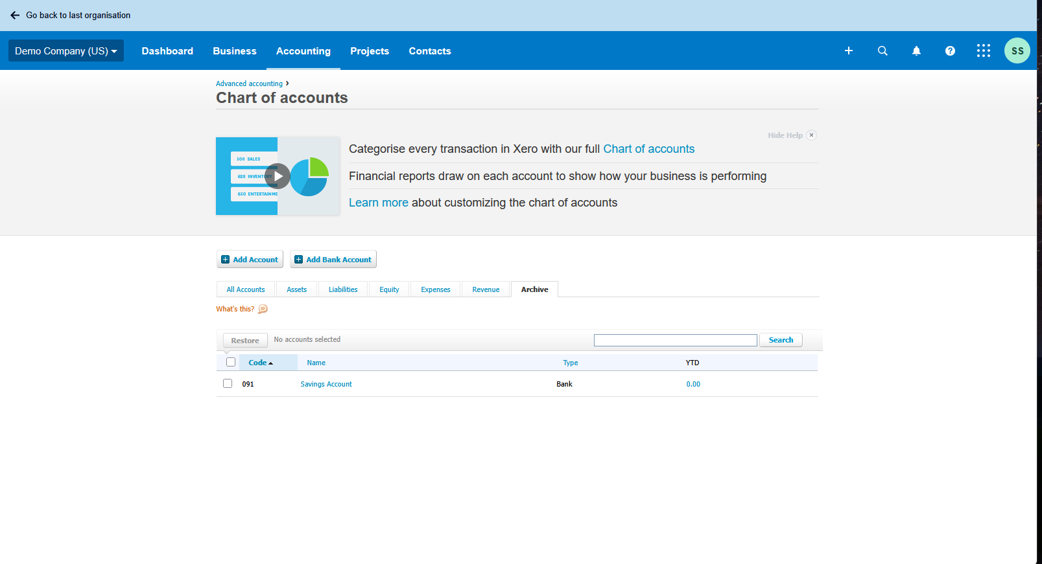

Test Case 5
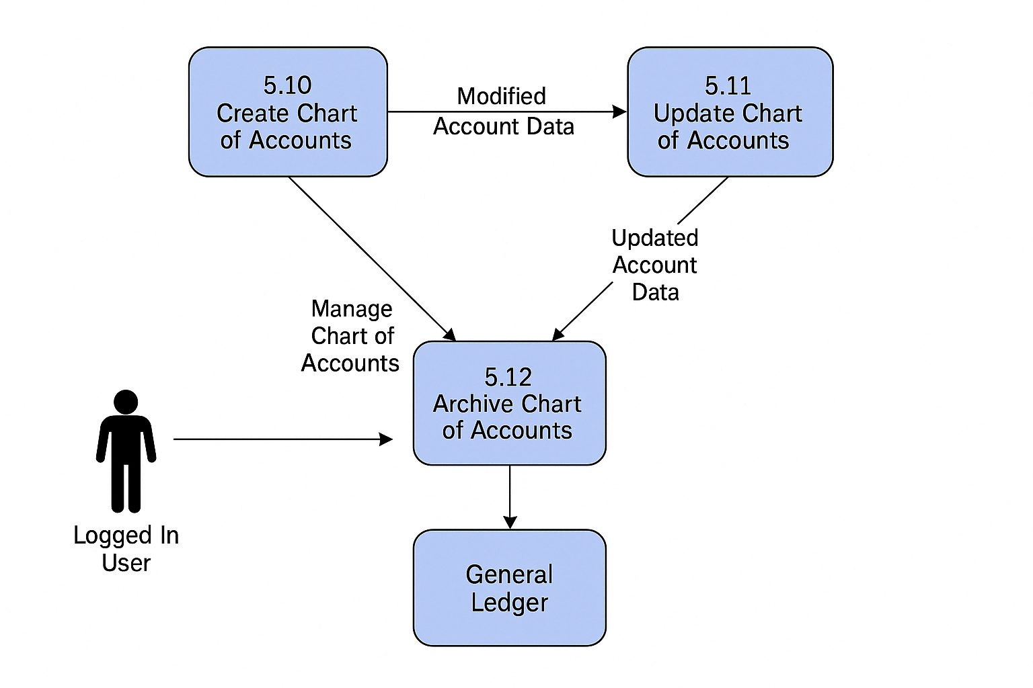
TC Title: | TC5.Archive Chart of Accounts – Data Flow (DF-In) Testing

TC Objective: | Ensure that newly created accounts using the 5.10 Create Chart of Accounts functionality are seamlessly available in the 5.12 Archive Chart of Accounts module and that their archival status is accurately reflected in the General Ledger.

Test Data (optional): | N/A

TC Description
 | Step | Step Description | Expected Results
 | 1 | Create a new account using 5.10 Create Chart of Accounts with name "Marketing Expenses". | Account creation is successful.
 | 2 | Navigate to 5.12 Archive Chart of Accounts. | The new account "Marketing Expenses" appears in the list.
 | 3 | Archive the newly created account. | Account is archived successfully.
 | 4 | Verify in General Ledger that the account status is now "archived". | General Ledger reflects archived status for that account.

